Depr Rates
FERC 3610
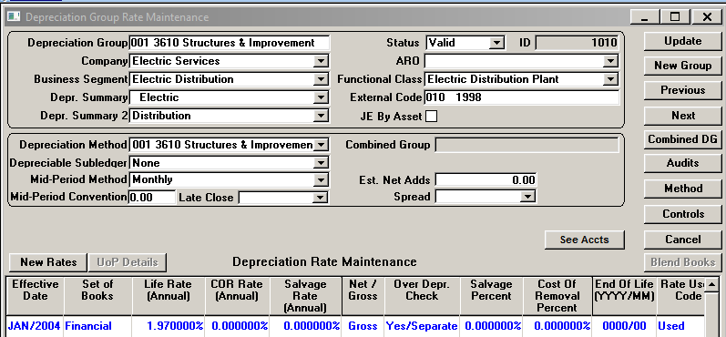

 | 0.0197

FERC 3620
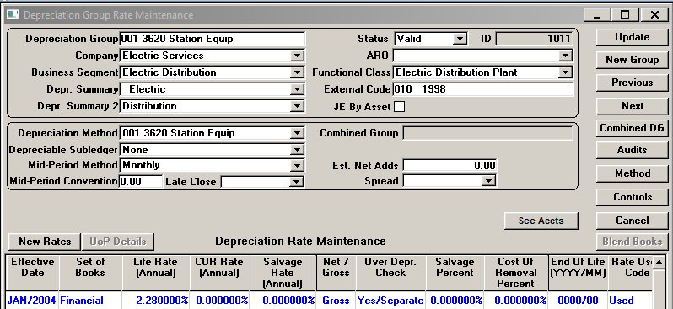

 | 0.0228

FERC 3640
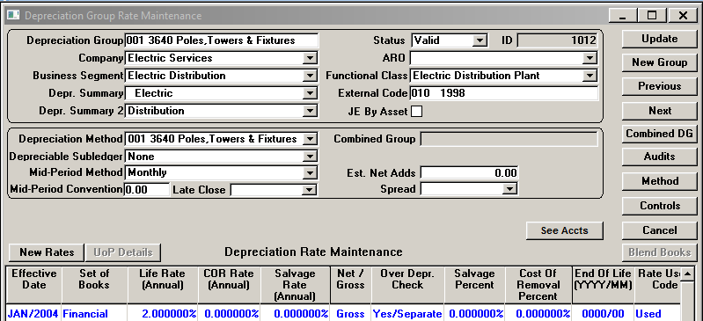

 | 0.02

FERC 3970
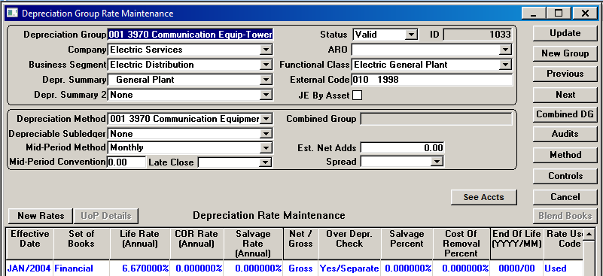

 | 0.0667

